Specification
 |  |  |  |  |  |  |  |  |  |  |  |  |  |  |  |  | FEMALE | 34 | 34.5 | 35 | 36 | 36 | 37 | 37.5 | 38 | 38.5 | 39.5 | 40 | 40.5 | 41.5 | 42
 |  |  |  |  |  |  |  |  |  |  |  |  |  |  |  |  | MALE |  |  |  |  |  | 38.5 | 39.5 | 40 | 40.5 | 41.5 | 42 | 42.5 | 43 | 44 | 44.5 | 45 | 45.5 | 46.5 | 47 | 47.5 | 49 | 50
 |  |  |  |  |  |  |  |  |  |  |  |  |  |  |  |  | KIDS | 20 | 20.5 | 21 | 21.5 | 21.5
 |  |  |  |  |  |  |  |  |  |  |  |  |  |  |  |  | 1566
SEASON | ARTICLE | IMAGE 1 | IMAGE 2 | IMAGE 3 | COLOR | COLOR DESCRIPTION | PRODUCT NAME | SUPPL. CATEGORY | COMPOSITION 1 | PARENT GROUP | GENDER | BRAND | MADE IN | WHS | RRP | SIZE COUNT | QTY | 4 | 4- | 5 | 5.5 | 5- | 6 | 6- | 7 | 7- | 8 | 8- | 9 | 9- | 10 | 10- | 11 | 11- | 12 | 12- | 13 | 14 | 15
SS 2024 | W1080 | 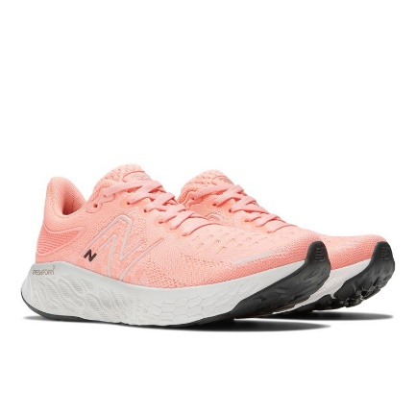 | 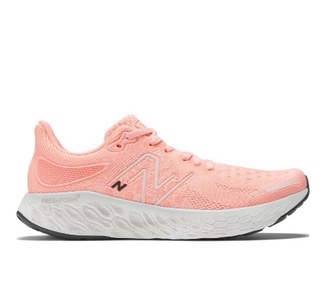 | 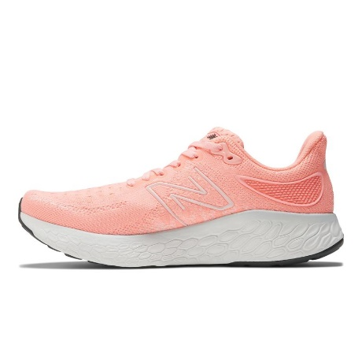 | 12O | GRAPEFRUIT | SNEAKERS | RUNNING | TEXTILE/TEXTILE/SYNTHETIC | ADULT | FEMALE | NEW BALANCE | VIETNAM | €95.00 | €190.00 | 9 | 100 |  |  |  |  | 9 | 4 | 7 | 20 | 20 | 15 | 10 | 10 | 5
SS 2024 | W1080 | 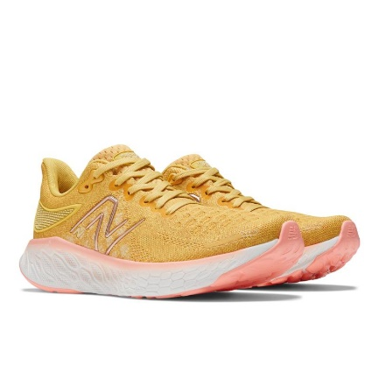 | 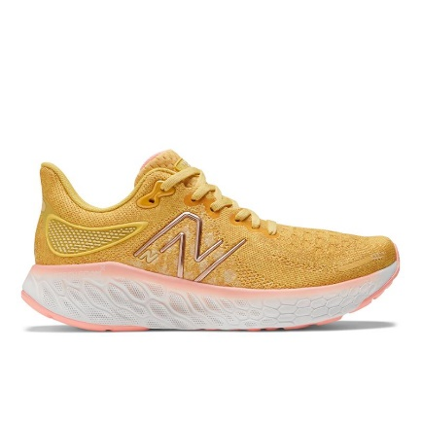 | 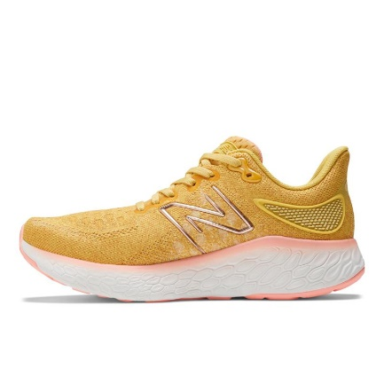 | 12H | HONEYCOMB | SNEAKERS | RUNNING | TEXTILE/TEXTILE/SYNTHETIC | ADULT | FEMALE | NEW BALANCE | VIETNAM | €95.00 | €190.00 | 8 | 77 |  |  |  |  |  | 3 | 8 | 9 | 17 | 16 | 12 | 5 | 7
2023 | WTHIERL7 | 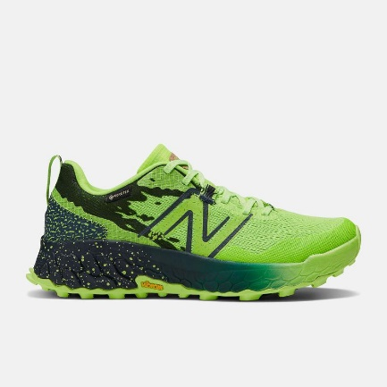 | 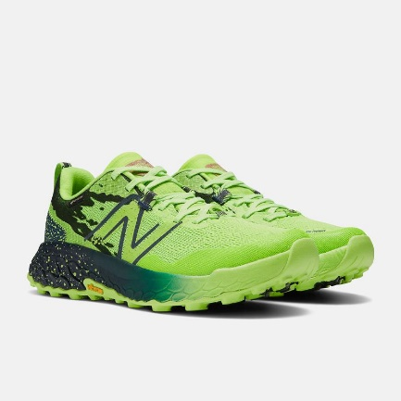 | 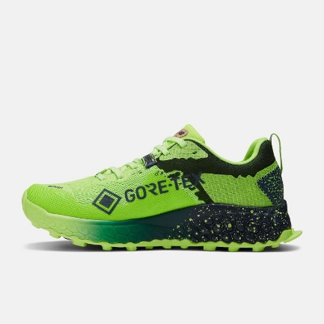 | PIXEL GREEN | PIXEL GREEN | SNEAKERS | RUNNING | SYNTHETIC TEXTILE | ADULT | FEMALE | NEW BALANCE | VIETNAM | €90.00 | €180.00 | 8 | 187 |  |  |  |  | 5 | 8 | 12 | 19 | 43 | 53 | 45 | 2
SS 2024 | W1080 | 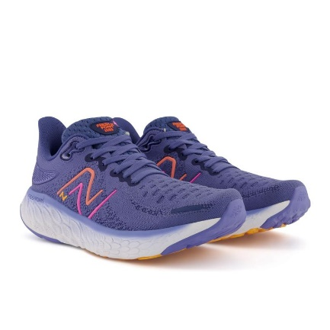 | 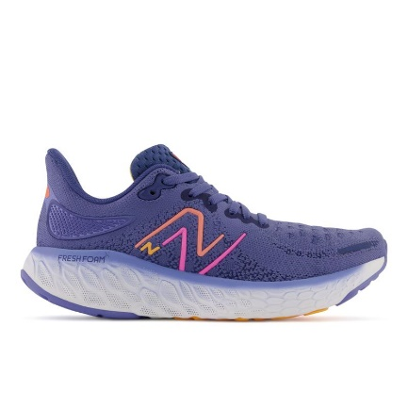 | 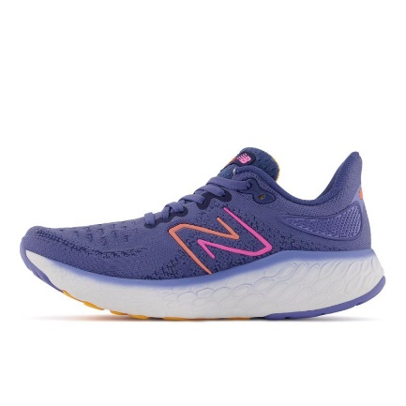 | L12 | NIGHT SKY | SNEAKERS | RUNNING | TEXTILE/TEXTILE/SYNTHETIC | ADULT | FEMALE | NEW BALANCE | VIETNAM | €95.00 | €190.00 | 3 | 6 |  |  |  |  |  | 1 | 1 |  |  |  | 4
SS 2023 | WCY99 | 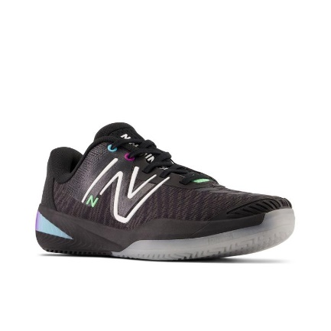 | 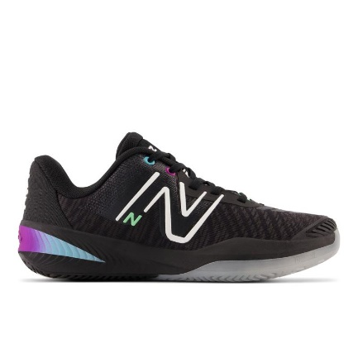 | 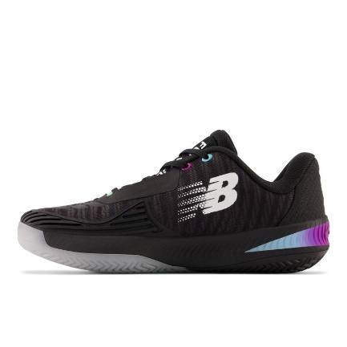 | 6F5 | GREEN | SNEAKERS | SPORTS | SYNTHETIC TEXTILE | ADULT | FEMALE | NEW BALANCE | VIETNAM | €67.50 | €135.00 | 3 | 4 |  |  |  |  |  |  |  |  |  | 1 | 2 |  | 1
SS 2022 | W1080N12 | 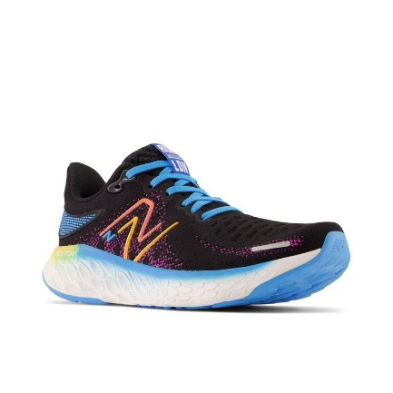 | 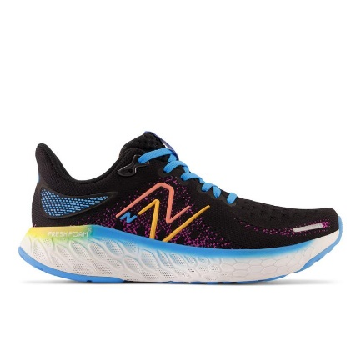 | 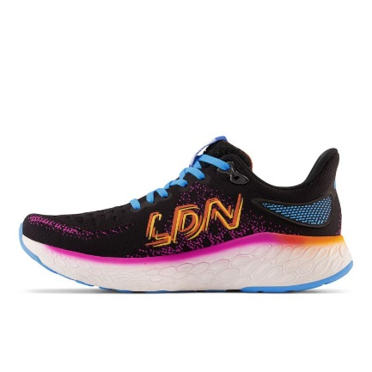 | BLACK/BLUE | BLACK/BLUE | SNEAKERS | SNEAKERS | SYNTHETIC TEXTILE | ADULT | FEMALE | NEW BALANCE | VIETNAM | €95.00 | €190.00 | 2 | 8 |  |  |  |  |  | 5 |  |  |  |  |  |  |  | 3
SS 2022 | W880H12 | 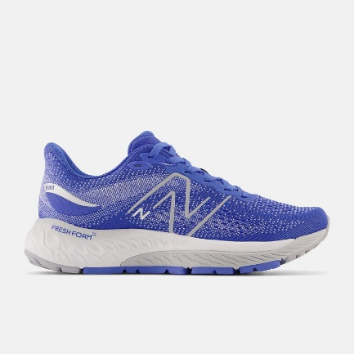 | 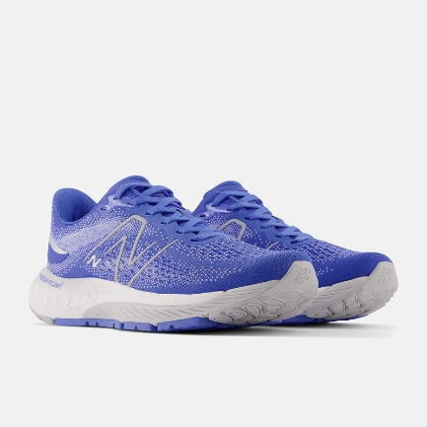 | 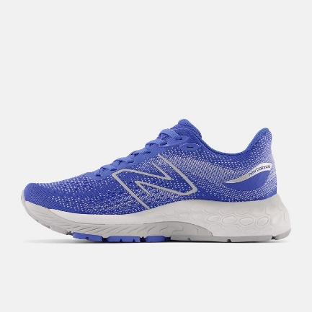 | BRIGHT LAPIS | BRIGHT LAPIS | SNEAKERS | FOOTWEAR | SYNTHETIC TEXTILE | ADULT | FEMALE | NEW BALANCE | VIETNAM | €80.00 | €160.00 | 2 | 2 |  |  |  |  |  |  |  | 1 | 1
2023 | W1080V12 | 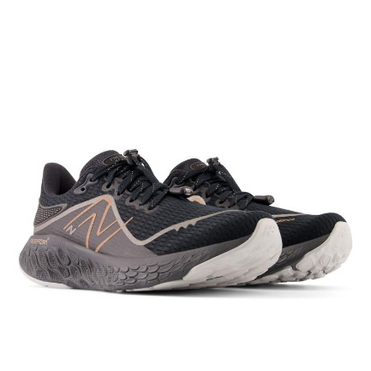 | 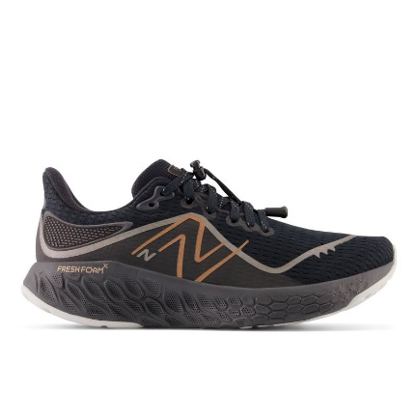 | 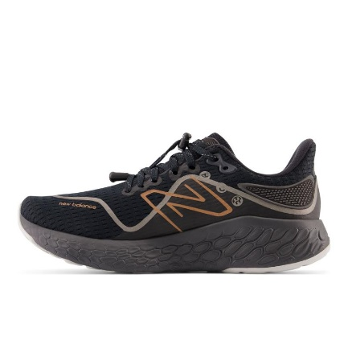 | BLACK | BLACK | SNEAKERS | RUNNING | SYNTHETIC TEXTILE | ADULT | FEMALE | NEW BALANCE | VIETNAM | €100.00 | €200.00 | 1 | 7 |  |  |  |  |  |  |  |  |  |  |  |  | 7
SS 2023 | W680C | 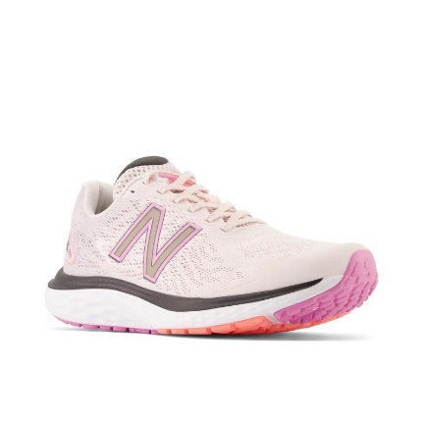 | 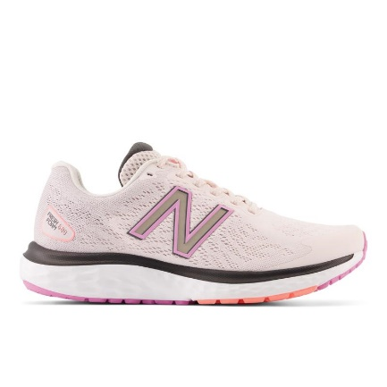 | 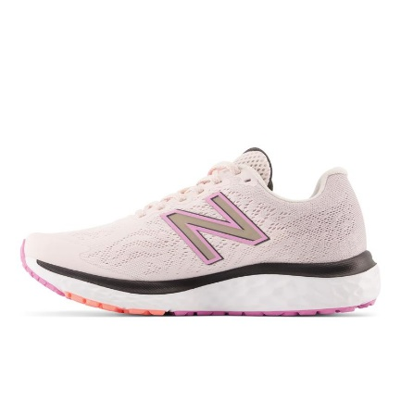 | P7 | PINK | SNEAKERS | FOOTWEAR | SYNTHETIC/TEXTILE | ADULT | FEMALE | NEW BALANCE | INDONESIA | €55.00 | €110.00 | 1 | 1 |  |  |  |  |  |  |  |  |  |  |  |  |  | 1
SS 2022 | W880P12 | 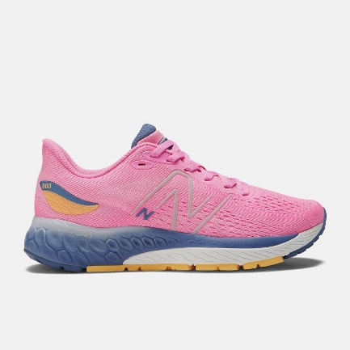 | 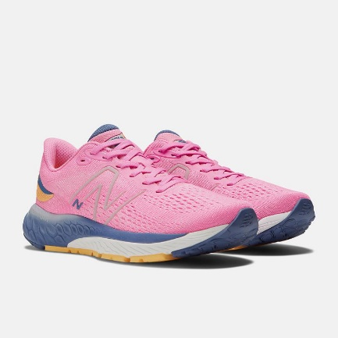 | 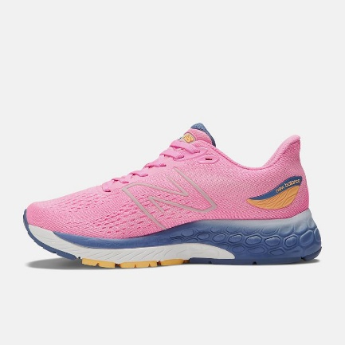 | VIBRANT PINK B | VIBRANT PINK B | SNEAKERS | FOOTWEAR | SYNTHETIC TEXTILE | ADULT | FEMALE | NEW BALANCE | VIETNAM | €75.00 | €150.00 | 1 | 3 |  |  |  |  |  |  |  | 3
2023 | WRCXCR2 | 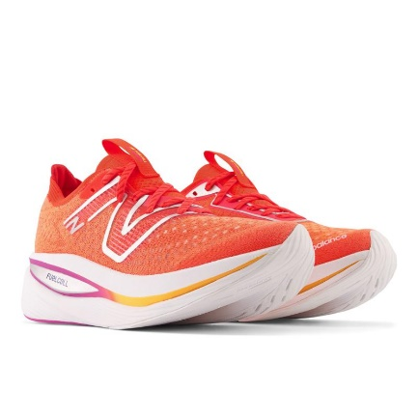 | 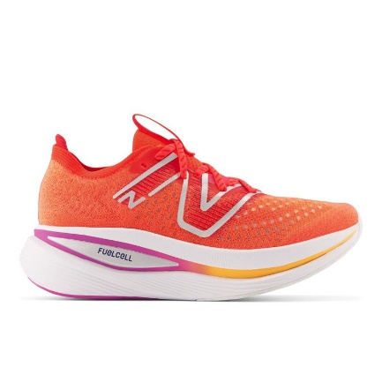 | 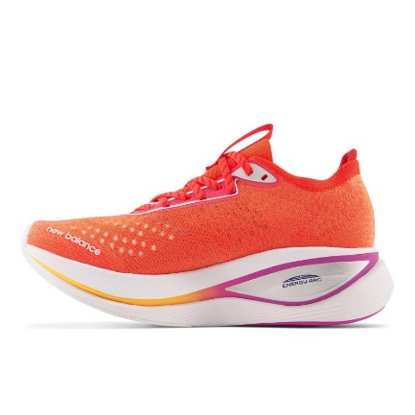 | ELECTRIC RED | ELECTRIC RED | SNEAKERS | RUNNING | SYNTHETIC TEXTILE | ADULT | FEMALE | NEW BALANCE | VIETNAM | €115.00 | €230.00 | 1 | 9 |  |  |  |  |  |  | 9
SS 2022 | M880N12 | 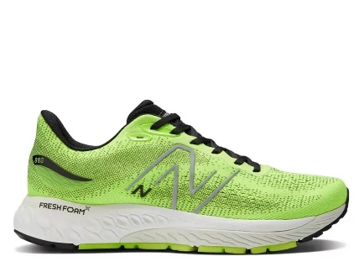 | 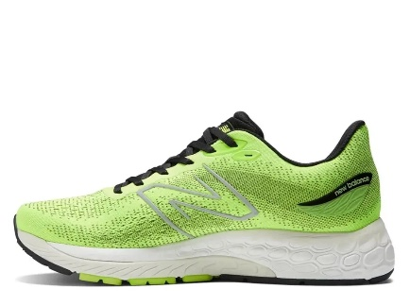 | 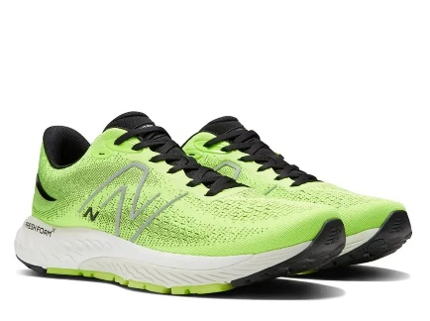 | PIXEL GREEN | PIXEL GREEN | SNEAKERS | FOOTWEAR | SYNTHETIC TEXTILE | ADULT | MALE | NEW BALANCE | VIETNAM | €80.00 | €160.00 | 9 | 109 |  |  |  |  |  |  |  | 5 | 3 | 3 |  | 21 |  | 29 | 17 | 17 | 10 | 4
SS 2022 | MROAVRN2 | 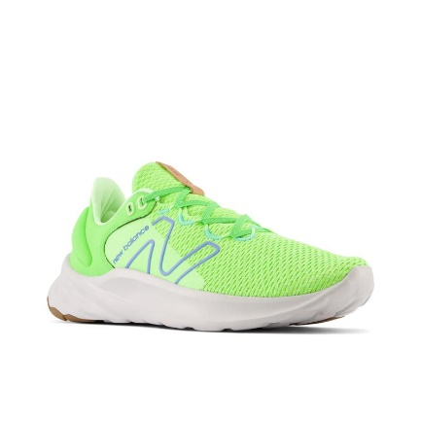 | 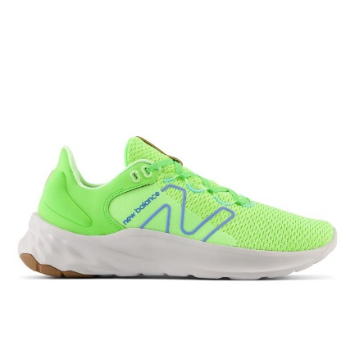 | 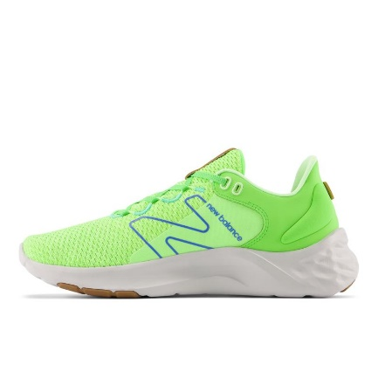 | BLACK/BLEACHED LIME GLO | BLACK/BLEACHED LIME GLO | SNEAKERS | SNEAKERS | SYNTHETIC TEXTILE | ADULT | MALE | NEW BALANCE | VIETNAM | €50.00 | €100.00 | 8 | 76 |  |  |  |  |  |  |  |  |  |  |  | 3 | 11 | 15 |  |  | 7 | 5 |  | 11 | 12 | 12
SS 2022 | UMDELRE2 | 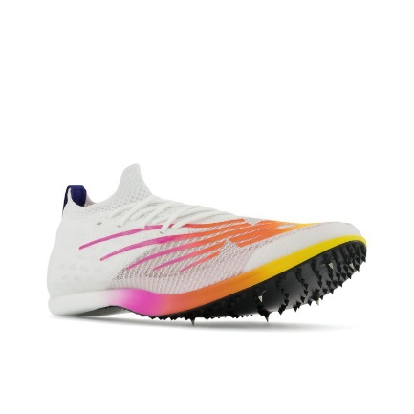 | 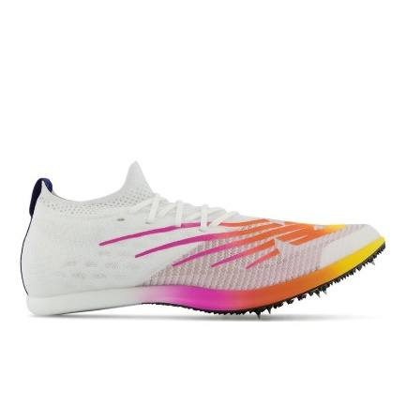 |  | ORANGE | ORANGE | SNEAKERS | SNEAKERS | SYNTHETIC TEXTILE | ADULT | MALE | NEW BALANCE | VIETNAM | €110.00 | €220.00 | 10 | 182 |  |  |  |  |  |  |  | 14 | 18 | 15 | 15 | 21 | 50 | 22 | 13 | 9 | 5
SS 2024 | MEVOZ | 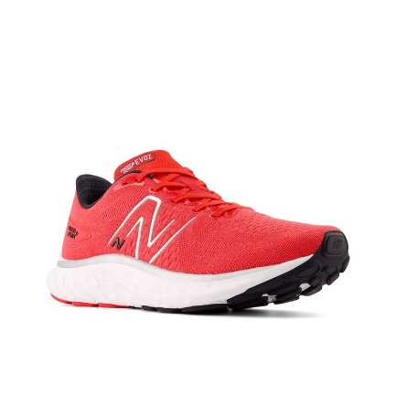 | 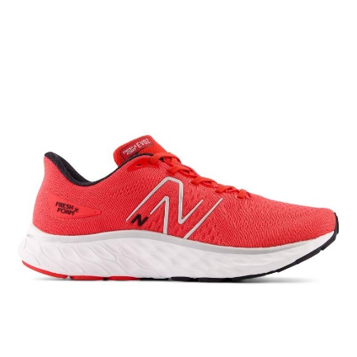 | 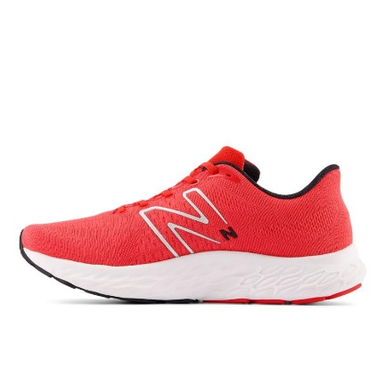 | RR3 | TRUE RED | SNEAKERS | RUNNING | SYNTHETIC TEXTILE | ADULT | MALE | NEW BALANCE | VIETNAM | €65.00 | €130.00 | 6 | 83 |  |  |  |  |  |  |  |  |  | 5 | 10 | 17 | 15 | 22 | 14
2023 | MRCXCR2 | 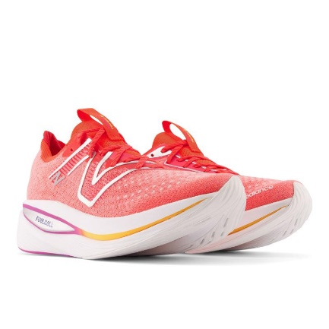 | 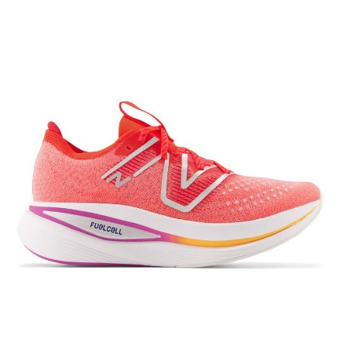 | 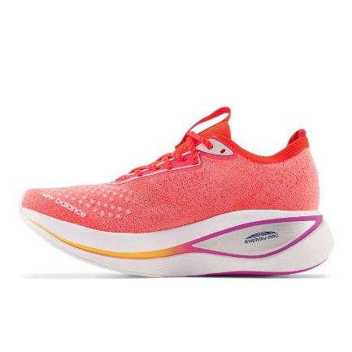 | ELECTRIC RED | ELECTRIC RED | SNEAKERS | RUNNING | SYNTHETIC TEXTILE | ADULT | MALE | NEW BALANCE | VIETNAM | €115.00 | €230.00 | 6 | 34 |  |  |  |  |  |  |  |  | 8 | 6 | 1 |  | 4 | 9 |  |  | 6
SS 2024 | UMDERLRE2 | 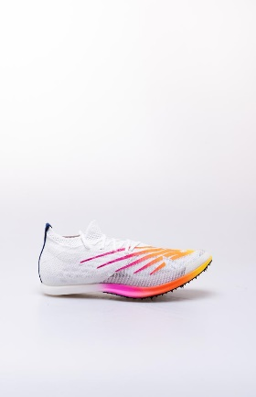 | 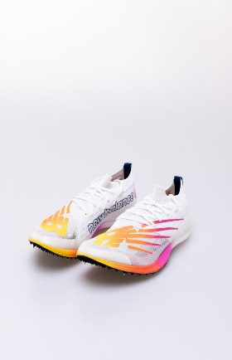 | 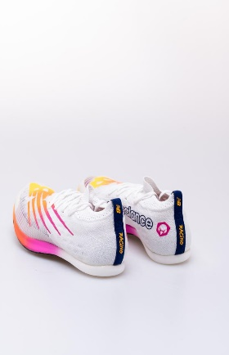 | TEAM ELITE D | TEAM ELITE D | SNEAKERS | FOOTWEAR | SYNTHETIC TEXTILE | ADULT | MALE | NEW BALANCE | VIETNAM | €110.00 | €220.00 | 6 | 50 |  |  |  |  |  |  |  |  |  | 6 | 6 | 16 | 12 | 7 | 3
SS 2024 | M1080 |  |  |  | Z13 | TRUE RED | SNEAKERS | RUNNING | TEXTILE/TEXTILE/OTHER | ADULT | MALE | NEW BALANCE | VIETNAM | €95.00 | €190.00 | 5 | 50 |  |  |  |  |  |  |  | 4 | 21 | 4 | 18 |  |  | 3
SS 2022 | MMORWT4 |  |  |  | WHITE | WHITE | SNEAKERS | SNEAKERS | 100% HYPOKNIT | ADULT | MALE | NEW BALANCE | VIETNAM | €80.00 | €160.00 | 5 | 137 |  |  |  |  |  |  |  |  |  |  | 13 | 43 | 77 |  |  |  |  |  | 3 | 1
SS 2022 | MRCELNY3 |  |  |  | RED | RED | SNEAKERS | SNEAKERS | 100% HYPOKNIT | ADULT | MALE | NEW BALANCE | VIETNAM | €120.00 | €240.00 | 5 | 17 |  |  |  |  |  |  |  |  | 3 |  |  | 3 | 4 | 4 |  |  |  | 3
SS 2022 | MTHIERN7 |  |  |  | RED | RED | SNEAKERS | SNEAKERS | 100% TEXTILE | ADULT | MALE | NEW BALANCE | VIETNAM | €80.00 | €160.00 | 5 | 39 |  |  |  |  |  |  |  |  |  |  |  | 10 |  |  |  |  |  | 1 | 4 | 5 | 19
2023 | MRCXLG2 |  |  |  | BLUE | BLUE | SNEAKERS | RUNNING | SYNTHETIC TEXTILE | ADULT | MALE | NEW BALANCE | VIETNAM | €115.00 | €230.00 | 3 | 22 |  |  |  |  |  |  |  |  | 6 | 5 | 11
SS 2022 | M860C12 |  |  |  | VIBRANT ORANGE | VIBRANT ORANGE | SNEAKERS | FOOTWEAR | SYNTHETIC TEXTILE | ADULT | MALE | NEW BALANCE | VIETNAM | €75.00 | €150.00 | 2 | 9 |  |  |  |  |  |  |  |  |  |  |  |  |  |  |  |  | 3 | 6
SS 2022 | M880R12 |  |  |  | WHITE | WHITE | SNEAKERS | SCARPA MENS RUNNING FRESH FOAM X 880 V12 - MUNSELL WHITE | 100% HYPOKNIT | ADULT | MALE | NEW BALANCE | VIETNAM | €80.00 | €160.00 | 2 | 10 |  |  |  |  |  |  |  |  |  |  |  |  |  |  |  |  |  | 3 | 7
SS 2022 | MFCXCG3 |  |  |  | LIGHT ALUMINUM | LIGHT ALUMINUM | SNEAKERS | SNEAKERS | SYNTHETIC TEXTILE | ADULT | MALE | NEW BALANCE | VIETNAM | €75.00 | €150.00 | 2 | 4 |  |  |  |  |  |  |  |  |  |  |  |  |  |  |  |  | 2 | 2
SS 2023 | BB650RGG |  |  |  | GREY | WHITE | SNEAKERS | SCARPA LIFESTYLE UOMO - MTZ - LEATHER / TEXTILE | LEATHER/SYNTHETIC/TEXTILE | ADULT | MALE | NEW BALANCE | CHINA | €90.00 | €179.90 | 1 | 1 |  |  |  |  |  |  |  |  |  | 1
SS 2022 | M1080V12 |  |  |  | BLACK | BLACK | SNEAKERS | SNEAKERS | 100% HYPOKNIT | ADULT | MALE | NEW BALANCE | VIETNAM | €100.00 | €200.00 | 1 | 1 |  |  |  |  |  |  |  |  |  |  |  |  |  |  | 1
SS 2022 | M1080X12 |  |  |  | WHITE | WHITE | SNEAKERS | SNEAKERS | SYNTHETIC TEXTILE | ADULT | MALE | NEW BALANCE | VIETNAM | €95.00 | €190.00 | 1 | 30 |  |  |  |  |  |  |  |  |  |  |  |  |  |  |  |  |  | 30
SS 2023 | M680C |  |  |  | N7 | NAVY | SNEAKERS | FOOTWEAR | SYNTHETIC/TEXTILE | ADULT | MALE | NEW BALANCE | INDONESIA | €55.00 | €110.00 | 1 | 1 |  |  |  |  |  |  |  |  |  | 1
SS 2022 | M680LB6 |  |  |  | BRIGHT BLUE | BRIGHT BLUE | SNEAKERS | SNEAKERS | SYNTHETIC TEXTILE | ADULT | MALE | NEW BALANCE | VIETNAM | €50.00 | €100.00 | 1 | 25 |  |  |  |  |  |  |  |  |  |  |  |  |  | 25
2023 | ML574PQ2 |  |  |  | NIGHTWATCH GREEN | NIGHTWATCH GREEN | SNEAKERS | TIER 2 | SUEDE | ADULT | MALE | NEW BALANCE | VIETNAM | €47.50 | €100.00 | 1 | 147 |  |  |  |  |  |  |  |  |  |  |  |  | 147
SS 2023 | UWRPDMUS |  |  |  | BLACK/BROWN | BLACK/BROWN | SNEAKERS | SNEAKERS | UPPER: MESH / SUEDE | ADULT | MALE | NEW BALANCE | CHINA | €90.00 | €180.00 | 1 | 3 |  |  |  |  |  |  |  |  |  |  |  |  |  |  |  |  |  | 3
SS 2022 | UXC72 |  |  |  | RM | SLATE GREY | SNEAKERS | XC72 KW GREEN LEAF | LEATHER / TEXTILE | ADULT | MALE | NEW BALANCE | CHINA | €65.00 | €130.00 | 1 | 1 |  |  |  |  |  | 1
FW 2023 | CT302 |  |  |  | RP | MOONBEAM | SNEAKERS | TIER 3 | LEATHER/TEXTILE | ADULT | UNISEX | NEW BALANCE | CHINA | €65.00 | €130.00 | 4 | 40 | 7 | 14 | 17 |  |  |  |  | 2
FW 2023 | CT302 |  |  |  | RS | SEA SALT | SNEAKERS | TIER 3 | LEATHER/TEXTILE | ADULT | UNISEX | NEW BALANCE | CHINA | €65.00 | €130.00 | 4 | 58 | 9 | 18 | 17 |  | 14
SS 2024 | BB550 |  |  |  | SE1 | WHITE/RED | SNEAKERS | TIER 1 | OUTER: 50% SYTHETIC LEATHER 50% FABRIC | ADULT | UNISEX | NEW BALANCE | VIETNAM | €70.00 | €140.00 | 3 | 13 | 4 |  | 8 |  |  |  | 1
SS 2023 | MT580KDB |  |  |  | VINTAGE TEAL | VINTAGE TEAL | SNEAKERS | SNEAKERS | LEATHER / TEXTILE / OTHER | ADULT | UNISEX | NEW BALANCE | CHINA | €80.00 | €160.00 | 3 | 7 |  | 1 |  |  |  |  |  |  |  |  |  |  |  |  |  |  |  | 2 |  | 4
FW 2022 | U574HBB |  |  |  | BROWN | BROWN | SNEAKERS | SCARPA LIFESTYLE UNISEX - LEATHER - BROWN | LEATHER | ADULT | UNISEX | NEW BALANCE | VIETNAM | €65.00 | €130.00 | 3 | 3 |  |  |  |  |  |  | 1 |  | 1 |  |  | 1
SS 2023 | MT580WT2 |  |  |  | LIGHT GREY/PURPLE | LIGHT GREY/PURPLE | SNEAKERS | SNEAKERS | 100% SUEDE / 100% TEXTILE | ADULT | UNISEX | NEW BALANCE | CHINA | €75.00 | €150.00 | 2 | 3 | 2 |  |  |  |  |  |  |  | 1
FW 2023 | BB480 |  |  |  | LWH | MARINE BLUE | SNEAKERS | TIER 3 | LEATHER/TEXTILE | ADULT | UNISEX | NEW BALANCE | INDONESIA | €55.00 | €109.90 | 1 | 1 |  |  |  |  |  |  |  |  |  |  |  |  |  | 1
SS 2024 | BB480LWH |  |  |  | MARINE BLUE | MARINE BLUE | SNEAKERS | FOOTWEAR | LEATHER/TEXTILE | ADULT | UNISEX | NEW BALANCE | INDONESIA | €50.00 | €100.00 | 1 | 1 |  |  |  |  |  |  |  |  |  |  | 1
FW 2023 | CT302 |  |  |  | RC | OFF WHITE/NAVY | SNEAKERS | TIER 3 | LEATHER/TEXTILE | ADULT | UNISEX | NEW BALANCE | VIETNAM | €57.41 | €130.00 | 1 | 1 |  |  |  |  |  | 1
FW 2023 | CT302 |  |  |  | VA | WHITE/BLUE | SNEAKERS | TIER 3 | LEATHER/TEXTILE | ADULT | UNISEX | NEW BALANCE | VIETNAM | €57.41 | €130.00 | 1 | 1 |  |  |  | 1
SS 2022 | CT574RPY |  |  |  | NAVY/YELOW | NAVY/YELOW | SNEAKERS | SNEAKERS | SUEDE / MESH | ADULT | UNISEX | NEW BALANCE | INDONESIA | €42.50 | €85.00 | 1 | 1 |  |  |  |  |  |  |  |  |  |  |  |  |  |  |  |  | 1
SS 2023 | U574EZ2 |  |  |  | BLUE NAVY | BLUE NAVY | SNEAKERS | SCARPA LIFESTYLE UNISEX - MTZ - LEATHER / TEXTILE - BLUE NAVY | UPPER: 100% SUEDE / 100% TEXTILE | ADULT | UNISEX | NEW BALANCE | INDONESIA | €55.00 | €110.00 | 1 | 1 |  |  |  |  |  |  |  |  |  |  |  |  |  |  | 1
FW 2022 | U574HMZ |  |  |  | BLACK | BLACK | SNEAKERS | SCARPA LIFESTYLE UNISEX - LEATHER - BLACK | LEATHER | ADULT | UNISEX | NEW BALANCE | VIETNAM | €65.00 | €130.00 | 1 | 1 |  |  |  |  |  |  |  |  |  |  |  |  |  |  | 1

